Sheet1
New Jersey Medicaid Denial/Incorrect Payment Spreadsheet
The drop down options available in some columns are found by clicking on the black arrow immediately to the right of the cell. Forms can be emailed to mahs.provider-inquiries@dhs.nj.gov |  |  |  |  | 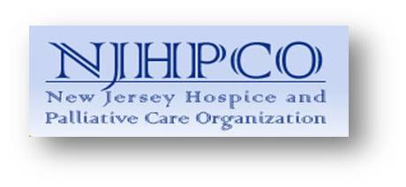
Inquiry # (for OMHC) | Name Provider Contact | Email Provider Contact | Member Name | Member Medicaid No | MCO | Service Provider | Service | Date(s) of Service | NJ Denial/Incorrect Payment Reasons | Date of most recent denial from MCO | Amount Paid | Outstanding Claim Amount | Summary MCO contact

Inquiries should be emailed to MAHS Provider-Inquiries at MAHS.Provider-Inquiries@dhs.nj.gov If the form includes Personal Health Information (PHI) it must be sent securely (Encrypted with password).

